Sheet1
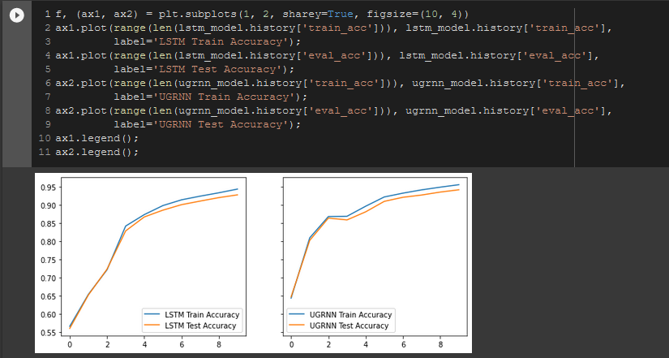
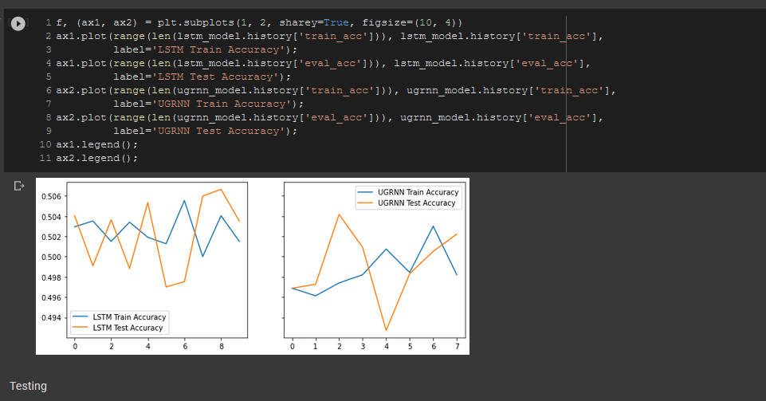
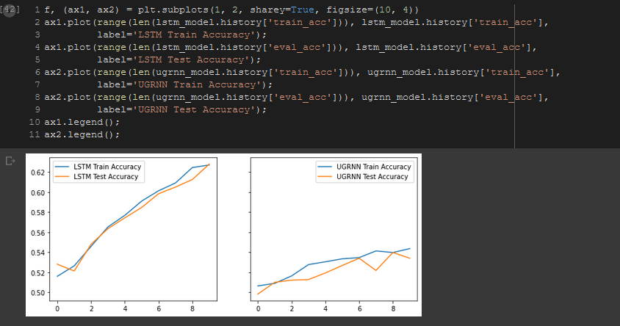
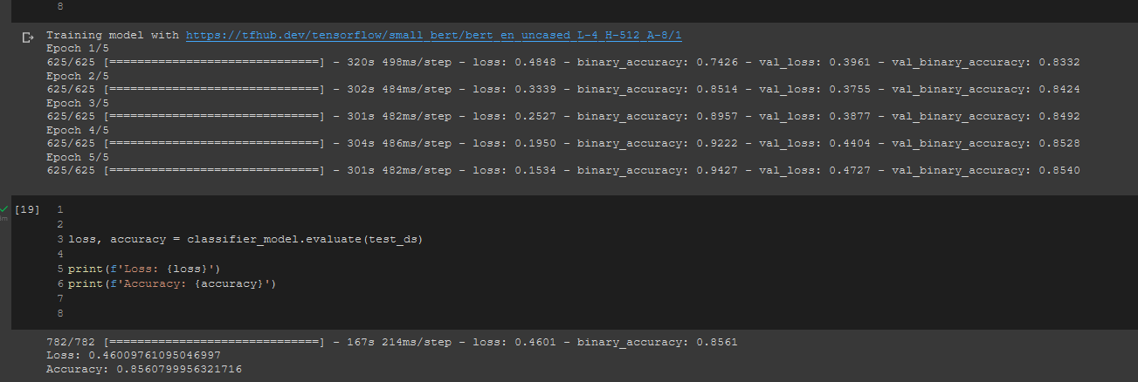
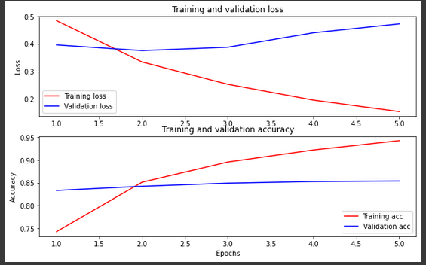
Adam LSTM(1E-4) | UGRNN Adam(1E-4) | Adagrad(1E-3) LSTM | Adagrad(1E-3) UGRNN | ugrnn(Adadelta)1E-4 | LSTM(AdaDelta)(1E-4) | ugrnn(Adadelta)1E-2 | LSTM(AdaDelta)(1E-2) | UGRNN SGD Adam(1E-2) | LSTM SGD Adam(1E-2)
0.87696 | 0.8638 | 0.8706 | 0.87452 | 0.4986 | 0.5044 | 0.53304 | 0.61288 | 0.5 | 0.5
RMSProp LSTM(1E-4) | RMSProp Adam(1E-4) | RMSProp LSTM(1E-4) batch 256 | RMSProp Adam(1E-4) batch 256
0.8076 | 0.79536 | 0.81884 | 0.85436

